APPAREL
 |  | CLEARANCE STOCK FILE - KAPPAFRANCE |  |  |  |  |  |  |  |  |  |  |  |  |  |  |  |  |  |  |  |  |  |  |  |  |  |  |  |  |  |  |  |  |  | APPAREL

 |  | Qty available |  | 38,066 | pcs

* NON CONTRACTUAL IMAGES
Image | Key | No style | Style description | Colour code | Color description | Catalogue | Gender | EUR PRICES |  |  |  | Pack description | Unit Code | Available stock PCS | Available stock UNIT | KID SIZES |  |  |  |  |  |  |  |  |  |  |  | ADULT SIZES |  |  |  |  |  |  |  | PACK
 |  |  |  |  |  |  |  | ADULT |  | KID |  |  |  |  |  | 4Y | 6Y | 8Y | 10Y | 12Y | 14Y | YS | YM | YL | YXL | Y2XL | Y3XL | XS | S | M | L | XL | 2XL | 3XL | 4XL | Prepack (UNITE)
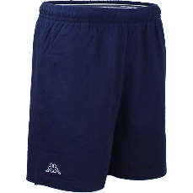
 |  |  |  |  |  |  |  | PVC € | PAB € | PVC € | PAB €
 | 300G4M0-193-PCS | 300G4M0 | CABAS SHORT | 193 | BLUE MARINE | HIVER 2019 | MAN | 20.00 € | 10.00 € | - € | - € | (vide) | PCS | 2 | 2 | 0 | 0 | 0 | 0 | 0 | 0 | 0 | 0 | 0 | 0 | 0 | 0 | 0 | 0 | 1 | 0 | 0 | 0 | 1 | 0 | 0
 | 302C6R0-X06-PCS | 302C6R0 | OLIVIA TEE | X06 | BORDEAUX PORTUGAL | ETE 2016 | MAN | 22.00 € | 11.00 € | - € | - € | (vide) | PCS | 1 | 1 | 0 | 0 | 0 | 0 | 0 | 0 | 0 | 0 | 0 | 0 | 0 | 0 | 0 | 0 | 0 | 0 | 1 | 0 | 0 | 0 | 0
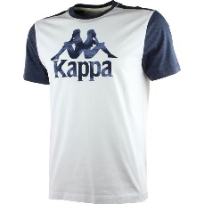 | 302EZG0-900-PCS | 302EZG0 | WOMBOC TEE | 900 | WHITE / NAVY | ETE 2016 | MAN | 35.00 € | 17.50 € | - € | - € | (vide) | PCS | 2 | 2 | 0 | 0 | 0 | 0 | 0 | 0 | 0 | 0 | 0 | 0 | 0 | 0 | 0 | 2 | 0 | 0 | 0 | 0 | 0 | 0 | 0
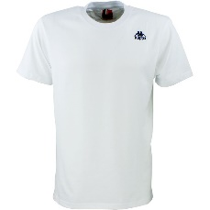 | 302HC10-001-PCS | 302HC10 | BRAMALL TEE | 001 | WHITE | ETE 2017 | MAN | 30.00 € | 15.00 € | - € | - € | (vide) | PCS | 7 | 7 | 0 | 0 | 0 | 0 | 0 | 0 | 0 | 0 | 0 | 0 | 0 | 0 | 0 | 0 | 7 | 0 | 0 | 0 | 0 | 0 | 0
 | 302HDK0-77M-PCS | 302HDK0 | FRATTON PANTS | 77M | GREY MEL | ETE 2016 | MAN | 50.00 € | 25.00 € | - € | - € | (vide) | PCS | 3 | 3 | 0 | 0 | 0 | 0 | 0 | 0 | 0 | 0 | 0 | 0 | 0 | 0 | 0 | 3 | 0 | 0 | 0 | 0 | 0 | 0 | 0
 | 302HPW0-77M-PCS | 302HPW0 | BLOODY TEE | 77M | GREY MEL | ETE 2016 | MAN | 18.00 € | 9.00 € | - € | - € | (vide) | PCS | 2 | 2 | 0 | 0 | 0 | 0 | 0 | 0 | 0 | 0 | 0 | 0 | 0 | 0 | 0 | 2 | 0 | 0 | 0 | 0 | 0 | 0 | 0
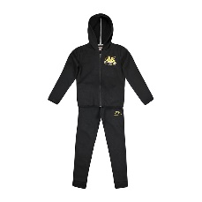 | 3030G00-005-C8J | 3030G00 | AOWAN TKS | 005 | BLACK | HIVER 2018 | KID | 55.00 € | 27.50 € | - € | - € | 10Y-2|12Y-2|14Y-1|6Y-1|8Y-2 | C8J | 16 | 2 | 0 | 0 | 0 | 0 | 0 | 0 | 0 | 0 | 0 | 0 | 0 | 0 | 0 | 0 | 0 | 0 | 0 | 0 | 0 | 0 | 2
 | 3030G00-005-C12K | 3030G00 | AOWAN TKS | 005 | BLACK | HIVER 2018 | KID | 55.00 € | 27.50 € | - € | - € | 10Y-3|12Y-3|14Y-1|4Y-1|6Y-2|8Y-2 | C12K | 408 | 34 | 0 | 0 | 0 | 0 | 0 | 0 | 0 | 0 | 0 | 0 | 0 | 0 | 0 | 0 | 0 | 0 | 0 | 0 | 0 | 0 | 34
 | 3030G00-005-PCS | 3030G00 | AOWAN TKS | 005 | BLACK | HIVER 2018 | KID | - € | - € | 55.00 € | 27.50 € | (vide) | PCS | 3 | 3 | 1 | 0 | 0 | 2 | 0 | 0 | 0 | 0 | 0 | 0 | 0 | 0 | 0 | 0 | 0 | 0 | 0 | 0 | 0 | 0 | 0
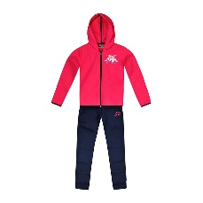 | 3030G00-910-C8J | 3030G00 | AOWAN TKS | 910 | FUCHSIA/BLUE NAVY | HIVER 2018 | KID | 55.00 € | 27.50 € | - € | - € | 10Y-2|12Y-2|14Y-1|6Y-1|8Y-2 | C8J | 296 | 37 | 0 | 0 | 0 | 0 | 0 | 0 | 0 | 0 | 0 | 0 | 0 | 0 | 0 | 0 | 0 | 0 | 0 | 0 | 0 | 0 | 37
 | 3030G10_SL-909-C12J | 3030G10_SL | AOYAK TKS SPORT ET LOISIRS | 909 | BLUE NAVY/FUCHSIA | HIVER 2018 | KID | 40.00 € | 20.00 € | - € | - € | 10Y-3|12Y-3|14Y-2|4Y-1|6Y-1|8Y-2 | C12J | 228 | 19 | 0 | 0 | 0 | 0 | 0 | 0 | 0 | 0 | 0 | 0 | 0 | 0 | 0 | 0 | 0 | 0 | 0 | 0 | 0 | 0 | 19
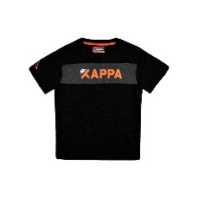 | 3030G30-901-C12J | 3030G30 | ANCAS TEE | 901 | BLACK/ORANGE BRIGHT | HIVER 2018 | KID | 12.00 € | 6.00 € | - € | - € | 10Y-3|12Y-3|14Y-2|4Y-1|6Y-1|8Y-2 | C12J | 168 | 14 | 0 | 0 | 0 | 0 | 0 | 0 | 0 | 0 | 0 | 0 | 0 | 0 | 0 | 0 | 0 | 0 | 0 | 0 | 0 | 0 | 14
 | 3030G30_SL-X1Z-C12J | 3030G30_SL | ANCAS TEE SPORT ET LOISIRS | X1Z | BLUE NAVY | HIVER 2018 | KID | 12.00 € | 6.00 € | - € | - € | 10Y-3|12Y-3|14Y-2|4Y-1|6Y-1|8Y-2 | C12J | 60 | 5 | 0 | 0 | 0 | 0 | 0 | 0 | 0 | 0 | 0 | 0 | 0 | 0 | 0 | 0 | 0 | 0 | 0 | 0 | 0 | 0 | 5
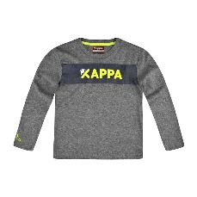 | 3030G40-908-C8J | 3030G40 | AEBIN TEE | 908 | GREY MD MEL/BLUE NAVY | HIVER 2018 | KID | 15.00 € | 7.50 € | - € | - € | 10Y-2|12Y-2|14Y-1|6Y-1|8Y-2 | C8J | 32 | 4 | 0 | 0 | 0 | 0 | 0 | 0 | 0 | 0 | 0 | 0 | 0 | 0 | 0 | 0 | 0 | 0 | 0 | 0 | 0 | 0 | 4
 | 3030G50_SL-005-C12J | 3030G50_SL | AEBIS TEE SPORT ET LOISIRS | 005 | BLACK | HIVER 2018 | KID | 12.00 € | 6.00 € | - € | - € | 10Y-3|12Y-3|14Y-2|4Y-1|6Y-1|8Y-2 | C12J | 72 | 6 | 0 | 0 | 0 | 0 | 0 | 0 | 0 | 0 | 0 | 0 | 0 | 0 | 0 | 0 | 0 | 0 | 0 | 0 | 0 | 0 | 6
 | 3030G50_SL-477-C12J | 3030G50_SL | AEBIS TEE SPORT ET LOISIRS | 477 | FUCHSIA | HIVER 2018 | KID | 12.00 € | 6.00 € | - € | - € | 10Y-3|12Y-3|14Y-2|4Y-1|6Y-1|8Y-2 | C12J | 108 | 9 | 0 | 0 | 0 | 0 | 0 | 0 | 0 | 0 | 0 | 0 | 0 | 0 | 0 | 0 | 0 | 0 | 0 | 0 | 0 | 0 | 9
 | 3030G50_SL-X1Z-C12J | 3030G50_SL | AEBIS TEE SPORT ET LOISIRS | X1Z | NAVY | HIVER 2018 | KID | 12.00 € | 6.00 € | - € | - € | 10Y-3|12Y-3|14Y-2|4Y-1|6Y-1|8Y-2 | C12J | 72 | 6 | 0 | 0 | 0 | 0 | 0 | 0 | 0 | 0 | 0 | 0 | 0 | 0 | 0 | 0 | 0 | 0 | 0 | 0 | 0 | 0 | 6
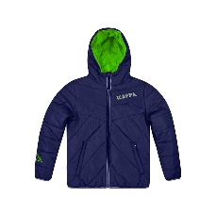 | 3030GS0-X1Z-C8K | 3030GS0 | AOUF PADDED JKT | X1Z | BLUE NAVY | HIVER 2018 | KID | 50.00 € | 25.00 € | - € | - € | 10Y-2|12Y-2|14Y-2|6Y-1|8Y-1 | C8K | 16 | 2 | 0 | 0 | 0 | 0 | 0 | 0 | 0 | 0 | 0 | 0 | 0 | 0 | 0 | 0 | 0 | 0 | 0 | 0 | 0 | 0 | 2
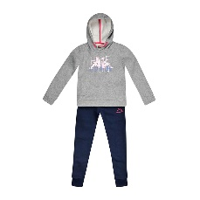 | 3030GZ0-908-C8J | 3030GZ0 | AOVAD TKS | 908 | GREY MD MEL/BLUE NAVY | HIVER 2018 | KID | 50.00 € | 25.00 € | - € | - € | 10Y-2|12Y-2|14Y-1|6Y-1|8Y-2 | C8J | 344 | 43 | 0 | 0 | 0 | 0 | 0 | 0 | 0 | 0 | 0 | 0 | 0 | 0 | 0 | 0 | 0 | 0 | 0 | 0 | 0 | 0 | 43
 | 3030GZ0-908-PCS | 3030GZ0 | AOVAD TKS | 908 | GREY MD MEL/BLUE NAVY | HIVER 2018 | KID | - € | - € | 50.00 € | 25.00 € | (vide) | PCS | 4 | 4 | 1 | 0 | 1 | 0 | 2 | 0 | 0 | 0 | 0 | 0 | 0 | 0 | 0 | 0 | 0 | 0 | 0 | 0 | 0 | 0 | 0
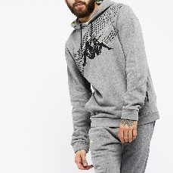 | 3030Q00-900-PCS | 3030Q00 | GIOX HOODIE | 900 | GREY MD MEL/YELLOW | HIVER 2018 | MAN | 40.00 € | 20.00 € | - € | - € | (vide) | PCS | 3 | 3 | 0 | 0 | 0 | 0 | 0 | 0 | 0 | 0 | 0 | 0 | 0 | 0 | 0 | 1 | 0 | 2 | 0 | 0 | 0 | 0 | 0
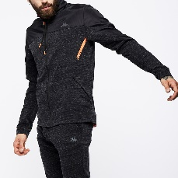 | 30329A0-907-PCS | 30329A0 | SAMASSI SWEAT | 907 | BLACK/GREY MD TWISTED | HIVER 2018 | MAN | 60.00 € | 30.00 € | - € | - € | (vide) | PCS | 3 | 3 | 0 | 0 | 0 | 0 | 0 | 0 | 0 | 0 | 0 | 0 | 0 | 0 | 0 | 1 | 0 | 0 | 0 | 2 | 0 | 0 | 0
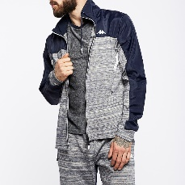 | 30329A0-914-PCS | 30329A0 | SAMASSI SWEAT | 914 | BEIGE TWISTED/BLUE | HIVER 2018 | MAN | 60.00 € | 30.00 € | - € | - € | (vide) | PCS | 11 | 11 | 0 | 0 | 0 | 0 | 0 | 0 | 0 | 0 | 0 | 0 | 0 | 0 | 0 | 2 | 0 | 0 | 0 | 9 | 0 | 0 | 0
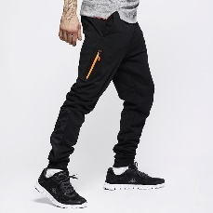 | 30329E0-903-PCS | 30329E0 | SALBORO PANTS | 903 | BLACK/ORANGE FLUO | HIVER 2018 | MAN | 45.00 € | 22.50 € | - € | - € | (vide) | PCS | 1 | 1 | 0 | 0 | 0 | 0 | 0 | 0 | 0 | 0 | 0 | 0 | 0 | 0 | 0 | 0 | 0 | 0 | 1 | 0 | 0 | 0 | 0
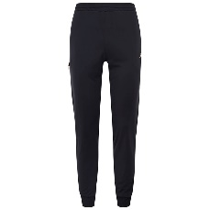 | 30329E0-915-PCS | 30329E0 | SALBORO PANTS | 915 | BLUE NAVY/WHITE | HIVER 2018 | MAN | 45.00 € | 22.50 € | - € | - € | (vide) | PCS | 1 | 1 | 0 | 0 | 0 | 0 | 0 | 0 | 0 | 0 | 0 | 0 | 0 | 0 | 0 | 1 | 0 | 0 | 0 | 0 | 0 | 0 | 0
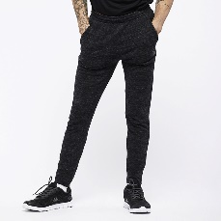 | 30329F0-908-PCS | 30329F0 | SALECCHIO PANTS | 908 | GREY MD TWISTED/ORANGE | HIVER 2018 | MAN | 45.00 € | 22.50 € | - € | - € | (vide) | PCS | 1 | 1 | 0 | 0 | 0 | 0 | 0 | 0 | 0 | 0 | 0 | 0 | 0 | 0 | 0 | 0 | 0 | 0 | 1 | 0 | 0 | 0 | 0
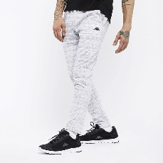 | 30329F0-910-PCS | 30329F0 | SALECCHIO PANTS | 910 | GREY LT TWISTED/ORANGE | HIVER 2018 | MAN | 45.00 € | 22.50 € | - € | - € | (vide) | PCS | 5 | 5 | 0 | 0 | 0 | 0 | 0 | 0 | 0 | 0 | 0 | 0 | 0 | 0 | 0 | 0 | 0 | 0 | 5 | 0 | 0 | 0 | 0
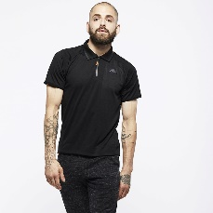 | 30329G0-005-PCS | 30329G0 | SAILS POLO | 005 | BLACK | HIVER 2018 | MAN | 38.00 € | 19.00 € | - € | - € | (vide) | PCS | 9 | 9 | 0 | 0 | 0 | 0 | 0 | 0 | 0 | 0 | 0 | 0 | 0 | 0 | 0 | 9 | 0 | 0 | 0 | 0 | 0 | 0 | 0
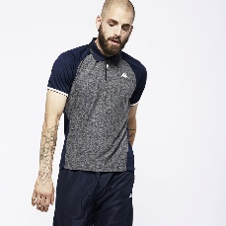 | 30329G0-912-PCS | 30329G0 | SAILS POLO | 912 | BLUE/BEIGE TWISTED | HIVER 2018 | MAN | 38.00 € | 19.00 € | - € | - € | (vide) | PCS | 1 | 1 | 0 | 0 | 0 | 0 | 0 | 0 | 0 | 0 | 0 | 0 | 0 | 0 | 0 | 0 | 1 | 0 | 0 | 0 | 0 | 0 | 0
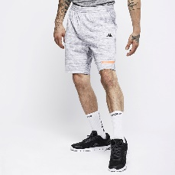 | 30329H0-910-PCS | 30329H0 | SALETTO SHORT | 910 | GREY LT TWISTED/ORANGE | HIVER 2018 | MAN | 35.00 € | 17.50 € | - € | - € | (vide) | PCS | 8 | 8 | 0 | 0 | 0 | 0 | 0 | 0 | 0 | 0 | 0 | 0 | 0 | 0 | 0 | 0 | 0 | 1 | 4 | 3 | 0 | 0 | 0
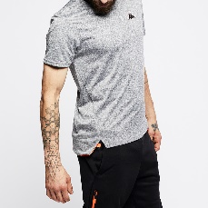 | 3032AJ0-910-PCS | 3032AJ0 | SALINA TEE | 910 | GREY LT TWISTED/ORANGE | HIVER 2018 | MAN | 25.00 € | 12.50 € | - € | - € | (vide) | PCS | 1 | 1 | 0 | 0 | 0 | 0 | 0 | 0 | 0 | 0 | 0 | 0 | 0 | 0 | 0 | 0 | 0 | 0 | 1 | 0 | 0 | 0 | 0
 | 3032BY0_ICI-902-PCS | 3032BY0_ICI | AIRITI LOGO HOODIE CORTE INGLES | 902 | GREY MD BLACK | HIVER 2019 | MAN | - € | - € | - € | - € | (vide) | PCS | 13 | 13 | 0 | 0 | 0 | 0 | 0 | 0 | 0 | 0 | 0 | 0 | 0 | 0 | 0 | 0 | 0 | 13 | 0 | 0 | 0 | 0 | 0
 | 3032BY0_ICI-A01-PCS | 3032BY0_ICI | AIRITI LOGO HOODIE CORTE INGLES | A01 | BLACK BLACK WHITE | HIVER 2019 | MAN | - € | - € | - € | - € | (vide) | PCS | 1 | 1 | 0 | 0 | 0 | 0 | 0 | 0 | 0 | 0 | 0 | 0 | 0 | 0 | 1 | 0 | 0 | 0 | 0 | 0 | 0 | 0 | 0
 | 3032BZ0_ICI-902-PCS | 3032BZ0_ICI | AIRIVIT LOGO CORTES INGLES | 902 | GREY MD BLACK | HIVER 2019 | MAN | - € | - € | - € | - € | (vide) | PCS | 24 | 24 | 0 | 0 | 0 | 0 | 0 | 0 | 0 | 0 | 0 | 0 | 0 | 0 | 1 | 11 | 9 | 0 | 3 | 0 | 0 | 0 | 0
 | 3032BZ0_ICI-922-PCS | 3032BZ0_ICI | AIRIVIT LOGO CORTES INGLES | 922 | BLUE GREY | HIVER 2019 | MAN | - € | - € | - € | - € | (vide) | PCS | 27 | 27 | 0 | 0 | 0 | 0 | 0 | 0 | 0 | 0 | 0 | 0 | 0 | 0 | 11 | 0 | 0 | 6 | 10 | 0 | 0 | 0 | 0
 | 3032BZ0_ICI-A00-PCS | 3032BZ0_ICI | AIRIVIT LOGO CORTES INGLES | A00 | RED DK SCARLET BLUE NAVY WHITE | HIVER 2019 | MAN | - € | - € | - € | - € | (vide) | PCS | 15 | 15 | 0 | 0 | 0 | 0 | 0 | 0 | 0 | 0 | 0 | 0 | 0 | 0 | 0 | 1 | 0 | 8 | 6 | 0 | 0 | 0 | 0
 | 3032BZ0_ICI-A01-PCS | 3032BZ0_ICI | AIRIVIT LOGO CORTES INGLES | A01 | BLACK BLACK WHITE | HIVER 2019 | MAN | - € | - € | - € | - € | (vide) | PCS | 47 | 47 | 0 | 0 | 0 | 0 | 0 | 0 | 0 | 0 | 0 | 0 | 0 | 0 | 27 | 12 | 3 | 3 | 2 | 0 | 0 | 0 | 0
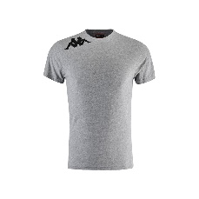 | 3032J70-900-PCS | 3032J70 | UMBERTO TEE | 900 | GREY COLD MEL/BLACK | HIVER 2019 | MAN | 15.00 € | 7.50 € | - € | - € | (vide) | PCS | 10 | 10 | 0 | 0 | 0 | 0 | 0 | 0 | 0 | 0 | 0 | 0 | 0 | 0 | 0 | 0 | 0 | 0 | 0 | 2 | 8 | 0 | 0
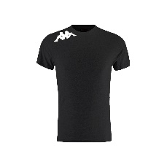 | 3032J70-902-PCS | 3032J70 | UMBERTO TEE | 902 | BLACK/WHITE | HIVER 2019 | MAN | 15.00 € | 7.50 € | - € | - € | (vide) | PCS | 6 | 6 | 0 | 0 | 0 | 0 | 0 | 0 | 0 | 0 | 0 | 0 | 0 | 0 | 0 | 0 | 0 | 0 | 0 | 3 | 3 | 0 | 0
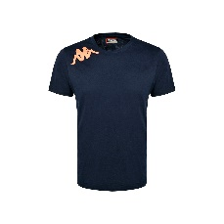 | 3032J70-905-PCS | 3032J70 | UMBERTO TEE | 905 | BLUE NAVY/ORANGE | HIVER 2019 | MAN | 15.00 € | 7.50 € | - € | - € | (vide) | PCS | 8 | 8 | 0 | 0 | 0 | 0 | 0 | 0 | 0 | 0 | 0 | 0 | 0 | 0 | 0 | 0 | 0 | 0 | 0 | 5 | 3 | 0 | 0
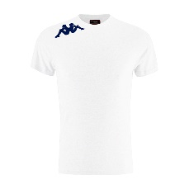 | 3032J70-911-PCS | 3032J70 | UMBERTO TEE | 911 | WHITE/BLUE NAVY | HIVER 2019 | MAN | 15.00 € | 7.50 € | - € | - € | (vide) | PCS | 13 | 13 | 0 | 0 | 0 | 0 | 0 | 0 | 0 | 0 | 0 | 0 | 0 | 0 | 0 | 0 | 0 | 0 | 0 | 0 | 13 | 0 | 0
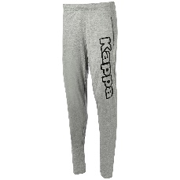 | 3032J90-900-PCS | 3032J90 | CRISTIANO PANTS | 900 | GREY COLD MEL/BLACK | HIVER 2019 | MAN | 25.00 € | 12.50 € | - € | - € | (vide) | PCS | 192 | 192 | 0 | 0 | 0 | 0 | 0 | 0 | 0 | 0 | 0 | 0 | 0 | 0 | 13 | 23 | 2 | 41 | 86 | 18 | 9 | 0 | 0
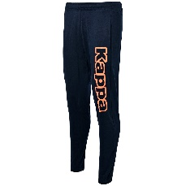 | 3032J90-905-PCS | 3032J90 | CRISTIANO PANTS | 905 | BLUE NAVY/ORANGE | HIVER 2019 | MAN | 25.00 € | 12.50 € | - € | - € | (vide) | PCS | 18 | 18 | 0 | 0 | 0 | 0 | 0 | 0 | 0 | 0 | 0 | 0 | 0 | 0 | 14 | 4 | 0 | 0 | 0 | 0 | 0 | 0 | 0
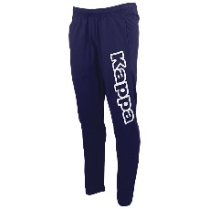 | 3032J90-919-PCS | 3032J90 | CRISTIANO PANTS | 919 | BLUE NAVY/WHITE | HIVER 2019 | MAN | 25.00 € | 12.50 € | - € | - € | (vide) | PCS | 26 | 26 | 0 | 0 | 0 | 0 | 0 | 0 | 0 | 0 | 0 | 0 | 0 | 0 | 9 | 4 | 2 | 2 | 2 | 7 | 0 | 0 | 0
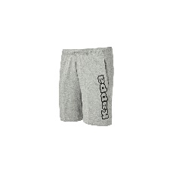 | 3032JB0-900-PCS | 3032JB0 | ROBERTO SHORT | 900 | GREY COLD MEL/BLACK | HIVER 2019 | MAN | 20.00 € | 10.00 € | - € | - € | (vide) | PCS | 334 | 334 | 0 | 0 | 0 | 0 | 0 | 0 | 0 | 0 | 0 | 0 | 0 | 0 | 12 | 33 | 76 | 88 | 93 | 23 | 9 | 0 | 0
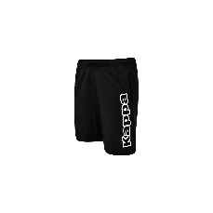 | 3032JB0-902-PCS | 3032JB0 | ROBERTO SHORT | 902 | BLACK/WHITE | HIVER 2019 | MAN | 20.00 € | 10.00 € | - € | - € | (vide) | PCS | 134 | 134 | 0 | 0 | 0 | 0 | 0 | 0 | 0 | 0 | 0 | 0 | 0 | 0 | 11 | 16 | 13 | 22 | 36 | 24 | 12 | 0 | 0
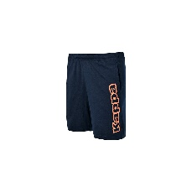 | 3032JB0-905-PCS | 3032JB0 | ROBERTO SHORT | 905 | BLUE NAVY/ORANGE | HIVER 2019 | MAN | 20.00 € | 10.00 € | - € | - € | (vide) | PCS | 2 | 2 | 0 | 0 | 0 | 0 | 0 | 0 | 0 | 0 | 0 | 0 | 0 | 0 | 0 | 0 | 0 | 0 | 0 | 1 | 1 | 0 | 0
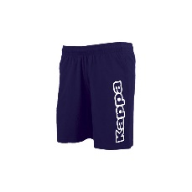 | 3032JB0-919-PCS | 3032JB0 | ROBERTO SHORT | 919 | BLUE NAVY/WHITE | HIVER 2019 | MAN | 20.00 € | 10.00 € | - € | - € | (vide) | PCS | 366 | 366 | 0 | 0 | 0 | 0 | 0 | 0 | 0 | 0 | 0 | 0 | 0 | 0 | 10 | 23 | 94 | 118 | 92 | 22 | 7 | 0 | 0
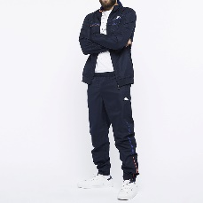 | 3036W40-903-PCS | 3036W40 | GIN TKS | 903 | BLUE OCEAN/RED NEON | HIVER 2018 | MAN | 75.00 € | 37.50 € | - € | - € | (vide) | PCS | 2 | 2 | 0 | 0 | 0 | 0 | 0 | 0 | 0 | 0 | 0 | 0 | 0 | 0 | 0 | 0 | 2 | 0 | 0 | 0 | 0 | 0 | 0
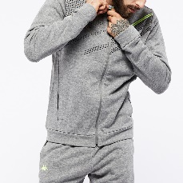 | 3036WU0-906-C8M | 3036WU0 | GARENCE SWEAT | 906 | GREY MD MEL/YELLOW/BLACK | HIVER 2018 | MAN | 40.00 € | 20.00 € | - € | - € | 2XL-1|L-2|M-2|S-1|XL-2 | C8M | 56 | 7 | 0 | 0 | 0 | 0 | 0 | 0 | 0 | 0 | 0 | 0 | 0 | 0 | 0 | 0 | 0 | 0 | 0 | 0 | 0 | 0 | 7
 | 3036WZ0_SL-903-C10M | 3036WZ0_SL | GARCIO PANTS SPORT ET LOISIRS | 903 | BLUE OCEAN/RED NEON | HIVER 2018 | MAN | 30.00 € | 15.00 € | - € | - € | L-3|M-3|S-2|XL-2 | C10M | 100 | 10 | 0 | 0 | 0 | 0 | 0 | 0 | 0 | 0 | 0 | 0 | 0 | 0 | 0 | 0 | 0 | 0 | 0 | 0 | 0 | 0 | 10
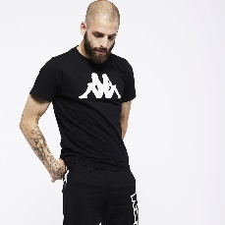 | 303G520-902-PCS | 303G520 | ESTESSO TEE | 902 | BLACK/WHITE | HIVER 2019 | MAN | 15.00 € | 7.50 € | - € | - € | (vide) | PCS | 21 | 21 | 0 | 0 | 0 | 0 | 0 | 0 | 0 | 0 | 0 | 0 | 0 | 0 | 0 | 1 | 0 | 1 | 9 | 10 | 0 | 0 | 0
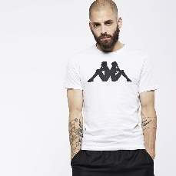 | 303G520-908-PCS | 303G520 | ESTESSO TEE | 908 | WHITE/BLACK | HIVER 2019 | MAN | 15.00 € | 7.50 € | - € | - € | (vide) | PCS | 25 | 25 | 0 | 0 | 0 | 0 | 0 | 0 | 0 | 0 | 0 | 0 | 0 | 0 | 0 | 1 | 0 | 0 | 8 | 9 | 7 | 0 | 0
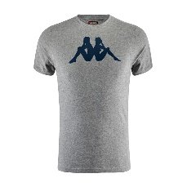 | 303G520-909-PCS | 303G520 | ESTESSO TEE | 909 | GREY COLD MEL/BLUE NAVY | HIVER 2019 | MAN | 15.00 € | 7.50 € | - € | - € | (vide) | PCS | 9 | 9 | 0 | 0 | 0 | 0 | 0 | 0 | 0 | 0 | 0 | 0 | 0 | 0 | 0 | 0 | 0 | 3 | 2 | 3 | 1 | 0 | 0
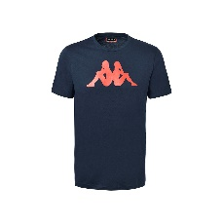 | 303G520-910-PCS | 303G520 | ESTESSO TEE | 910 | BLUE NAVY/RED FLAME | HIVER 2019 | MAN | 15.00 € | 7.50 € | - € | - € | (vide) | PCS | 13 | 13 | 0 | 0 | 0 | 0 | 0 | 0 | 0 | 0 | 0 | 0 | 0 | 0 | 0 | 3 | 0 | 0 | 6 | 4 | 0 | 0 | 0
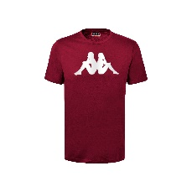 | 303G520-963-PCS | 303G520 | ESTESSO TEE | 963 | RED BORDEAUX/WHITE | HIVER 2019 | MAN | 15.00 € | 7.50 € | - € | - € | (vide) | PCS | 3 | 3 | 0 | 0 | 0 | 0 | 0 | 0 | 0 | 0 | 0 | 0 | 0 | 0 | 0 | 0 | 0 | 2 | 1 | 0 | 0 | 0 | 0
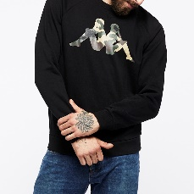 | 303G6S0-909-PCS | 303G6S0 | OIANO SWEAT | 909 | BLACK/MILITARY | HIVER 2018 | MAN | 50.00 € | 25.00 € | - € | - € | (vide) | PCS | 8 | 8 | 0 | 0 | 0 | 0 | 0 | 0 | 0 | 0 | 0 | 0 | 0 | 0 | 0 | 3 | 2 | 3 | 0 | 0 | 0 | 0 | 0
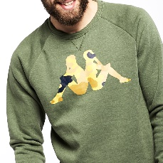 | 303G6S0-910-PCS | 303G6S0 | OIANO SWEAT | 910 | GREEN LICHENE | HIVER 2018 | MAN | 50.00 € | 25.00 € | - € | - € | (vide) | PCS | 6 | 6 | 0 | 0 | 0 | 0 | 0 | 0 | 0 | 0 | 0 | 0 | 0 | 0 | 0 | 3 | 0 | 3 | 0 | 0 | 0 | 0 | 0
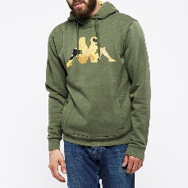 | 303G6T0-910-PCS | 303G6T0 | OCCHIO HOODIE | 910 | GREEN LICHENE | HIVER 2018 | MAN | 60.00 € | 30.00 € | - € | - € | (vide) | PCS | 12 | 12 | 0 | 0 | 0 | 0 | 0 | 0 | 0 | 0 | 0 | 0 | 0 | 0 | 0 | 5 | 3 | 4 | 0 | 0 | 0 | 0 | 0
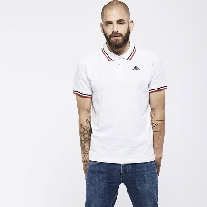 | 303G7W0-900-PCS | 303G7W0 | ESMANO POLO | 900 | WHITE/BLUE NAVY/RED | HIVER 2019 | MAN | 20.00 € | 10.00 € | - € | - € | (vide) | PCS | 1 | 1 | 0 | 0 | 0 | 0 | 0 | 0 | 0 | 0 | 0 | 0 | 0 | 0 | 0 | 0 | 0 | 0 | 0 | 0 | 1 | 0 | 0
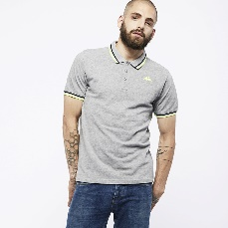 | 303G7W0-901-PCS | 303G7W0 | ESMANO POLO | 901 | GREY MEL/BLACK/YELLOW FLUO | HIVER 2019 | MAN | 20.00 € | 10.00 € | - € | - € | (vide) | PCS | 404 | 404 | 0 | 0 | 0 | 0 | 0 | 0 | 0 | 0 | 0 | 0 | 0 | 0 | 0 | 6 | 8 | 105 | 212 | 69 | 4 | 0 | 0
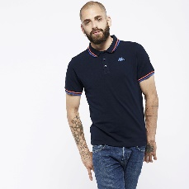 | 303G7W0-902-PCS | 303G7W0 | ESMANO POLO | 902 | BLUE NAVY/RED/ROYAL | HIVER 2019 | MAN | 20.00 € | 10.00 € | - € | - € | (vide) | PCS | 5 | 5 | 0 | 0 | 0 | 0 | 0 | 0 | 0 | 0 | 0 | 0 | 0 | 0 | 0 | 0 | 0 | 0 | 4 | 1 | 0 | 0 | 0
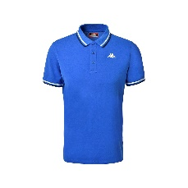 | 303G7W0-903-PCS | 303G7W0 | ESMANO POLO | 903 | BLUE ROYAL/WHITE | HIVER 2019 | MAN | 20.00 € | 10.00 € | - € | - € | (vide) | PCS | 70 | 70 | 0 | 0 | 0 | 0 | 0 | 0 | 0 | 0 | 0 | 0 | 0 | 0 | 0 | 5 | 3 | 2 | 53 | 5 | 2 | 0 | 0
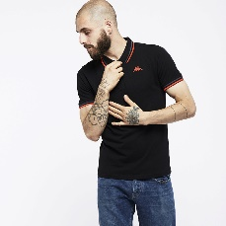 | 303G7W0-905-PCS | 303G7W0 | ESMANO POLO | 905 | BLACK/GREY DK/RED | HIVER 2019 | MAN | 20.00 € | 10.00 € | - € | - € | (vide) | PCS | 16 | 16 | 0 | 0 | 0 | 0 | 0 | 0 | 0 | 0 | 0 | 0 | 0 | 0 | 0 | 7 | 2 | 0 | 3 | 4 | 0 | 0 | 0
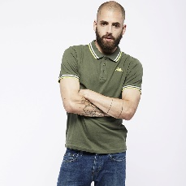 | 303G7W0-906-PCS | 303G7W0 | ESMANO POLO | 906 | GREEN/WHITE/LIME | HIVER 2019 | MAN | 20.00 € | 10.00 € | - € | - € | (vide) | PCS | 1 | 1 | 0 | 0 | 0 | 0 | 0 | 0 | 0 | 0 | 0 | 0 | 0 | 0 | 0 | 0 | 0 | 0 | 0 | 1 | 0 | 0 | 0
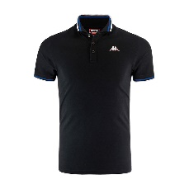 | 303G7W0-910-PCS | 303G7W0 | ESMANO POLO | 910 | BLACK/BLUE ROYAL/WHITE | HIVER 2019 | MAN | 20.00 € | 10.00 € | - € | - € | (vide) | PCS | 5 | 5 | 0 | 0 | 0 | 0 | 0 | 0 | 0 | 0 | 0 | 0 | 0 | 0 | 0 | 0 | 0 | 0 | 3 | 2 | 0 | 0 | 0
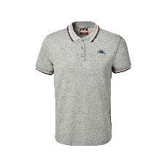 | 303G7W0-915-PCS | 303G7W0 | ESMANO POLO | 915 | GREY MD MEL/PINK/NAVY | HIVER 2019 | MAN | 20.00 € | 10.00 € | - € | - € | (vide) | PCS | 18 | 18 | 0 | 0 | 0 | 0 | 0 | 0 | 0 | 0 | 0 | 0 | 0 | 0 | 0 | 5 | 1 | 4 | 4 | 3 | 1 | 0 | 0
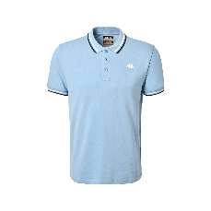 | 303G7W0-916-PCS | 303G7W0 | ESMANO POLO | 916 | BLUE DUSK/WHITE/BLUE NAVY | HIVER 2019 | MAN | 20.00 € | 10.00 € | - € | - € | (vide) | PCS | 1 | 1 | 0 | 0 | 0 | 0 | 0 | 0 | 0 | 0 | 0 | 0 | 0 | 0 | 0 | 0 | 0 | 0 | 0 | 1 | 0 | 0 | 0
 | 303GEV0-005-PCS | 303GEV0 | DASTY 3/4 LEGGING | 005 | BLACK | ETE 2018 | KID | - € | - € | 18.00 € | 9.00 € | (vide) | PCS | 12 | 12 | 0 | 4 | 2 | 2 | 2 | 2 | 0 | 0 | 0 | 0 | 0 | 0 | 0 | 0 | 0 | 0 | 0 | 0 | 0 | 0 | 0
 | 303HLI0-905-C15K | 303HLI0 | GALEXET HOODIE | 905 | BLUE NAVY/TURQUOISE LT | ETE 2018 | KID | 45.00 € | 22.50 € | - € | - € | 10Y-4|12Y-4|14Y-2|6Y-2|8Y-3 | C15K | 30 | 2 | 0 | 0 | 0 | 0 | 0 | 0 | 0 | 0 | 0 | 0 | 0 | 0 | 0 | 0 | 0 | 0 | 0 | 0 | 0 | 0 | 2
 | 303HLI0-905-PCS | 303HLI0 | GALEXET HOODIE | 905 | BLUE NAVY/TURQUOISE LT | ETE 2018 | KID | - € | - € | 45.00 € | 22.50 € | (vide) | PCS | 19 | 19 | 0 | 2 | 8 | 4 | 4 | 1 | 0 | 0 | 0 | 0 | 0 | 0 | 0 | 0 | 0 | 0 | 0 | 0 | 0 | 0 | 0
 | 303HS50-900-PCS | 303HS50 | UGO HOODIE | 900 | BLUE NAVY/GREEN | HIVER 2018 | MAN | 65.00 € | 32.50 € | - € | - € | (vide) | PCS | 8 | 8 | 0 | 0 | 0 | 0 | 0 | 0 | 0 | 0 | 0 | 0 | 0 | 0 | 0 | 0 | 0 | 5 | 1 | 2 | 0 | 0 | 0
 | 303HSQ0-821-PCS | 303HSQ0 | AMOS SWEAT | 821 | BLUE NAVY | HIVER 2018 | MAN | 50.00 € | 25.00 € | - € | - € | (vide) | PCS | 4 | 4 | 0 | 0 | 0 | 0 | 0 | 0 | 0 | 0 | 0 | 0 | 0 | 0 | 0 | 4 | 0 | 0 | 0 | 0 | 0 | 0 | 0
 | 303HSQ0-885-PCS | 303HSQ0 | AMOS SWEAT | 885 | GREEN LICHENE | HIVER 2018 | MAN | 50.00 € | 25.00 € | - € | - € | (vide) | PCS | 3 | 3 | 0 | 0 | 0 | 0 | 0 | 0 | 0 | 0 | 0 | 0 | 0 | 0 | 0 | 0 | 0 | 0 | 0 | 3 | 0 | 0 | 0
 | 303HTL0-901-PCS | 303HTL0 | FULVIO TEE | 901 | GREEN LICHENE/BLUE | HIVER 2018 | MAN | 28.00 € | 14.00 € | - € | - € | (vide) | PCS | 2 | 2 | 0 | 0 | 0 | 0 | 0 | 0 | 0 | 0 | 0 | 0 | 0 | 0 | 0 | 0 | 0 | 0 | 1 | 1 | 0 | 0 | 0
 | 303K0C0-902-PCS | 303K0C0 | BABETH TKS | 902 | FUXIA /BLACK | HIVER 2016 | GIRL | - € | - € | 50.00 € | 25.00 € | (vide) | PCS | 1 | 1 | 0 | 0 | 0 | 1 | 0 | 0 | 0 | 0 | 0 | 0 | 0 | 0 | 0 | 0 | 0 | 0 | 0 | 0 | 0 | 0 | 0
 | 303K0C0-903-PCS | 303K0C0 | BABETH TKS | 903 | PINK POWDER/NAVY BLUE | HIVER 2016 | GIRL | - € | - € | 50.00 € | 25.00 € | (vide) | PCS | 1 | 1 | 0 | 0 | 0 | 1 | 0 | 0 | 0 | 0 | 0 | 0 | 0 | 0 | 0 | 0 | 0 | 0 | 0 | 0 | 0 | 0 | 0
 | 303K1M0-X1Z-PCS | 303K1M0 | BLANCHE PADDED JKT | X1Z | NAVY | HIVER 2016 | GIRL | - € | - € | 65.00 € | 32.50 € | (vide) | PCS | 10 | 10 | 0 | 0 | 0 | 1 | 0 | 9 | 0 | 0 | 0 | 0 | 0 | 0 | 0 | 0 | 0 | 0 | 0 | 0 | 0 | 0 | 0
 | 303LD60-001-PCS | 303LD60 | ALBION TEE SS | 001 | WHITE | HIVER 2016 | MAN | 30.00 € | 15.00 € | - € | - € | (vide) | PCS | 18 | 18 | 0 | 0 | 0 | 0 | 0 | 0 | 0 | 0 | 0 | 0 | 0 | 0 | 0 | 4 | 5 | 4 | 5 | 0 | 0 | 0 | 0
 | 303LD60-005-PCS | 303LD60 | ALBION TEE SS | 005 | BLACK | HIVER 2016 | MAN | 30.00 € | 15.00 € | - € | - € | (vide) | PCS | 15 | 15 | 0 | 0 | 0 | 0 | 0 | 0 | 0 | 0 | 0 | 0 | 0 | 0 | 0 | 2 | 3 | 5 | 5 | 0 | 0 | 0 | 0
 | 303LD90-005-PCS | 303LD90 | ASTON SWEAT | 005 | BLACK | HIVER 2016 | MAN | 65.00 € | 32.50 € | - € | - € | (vide) | PCS | 17 | 17 | 0 | 0 | 0 | 0 | 0 | 0 | 0 | 0 | 0 | 0 | 0 | 0 | 0 | 5 | 3 | 5 | 4 | 0 | 0 | 0 | 0
 | 303LDD0-005-PCS | 303LDD0 | GREENOCK PANTS | 005 | BLACK | HIVER 2016 | MAN | 70.00 € | 35.00 € | - € | - € | (vide) | PCS | 14 | 14 | 0 | 0 | 0 | 0 | 0 | 0 | 0 | 0 | 0 | 0 | 0 | 0 | 0 | 4 | 5 | 5 | 0 | 0 | 0 | 0 | 0
 | 303LDJ0-905-PCS | 303LDJ0 | HAMPDEN SWEAT | 905 | BLACK / GREY STEEL | HIVER 2016 | MAN | 55.00 € | 27.50 € | - € | - € | (vide) | PCS | 13 | 13 | 0 | 0 | 0 | 0 | 0 | 0 | 0 | 0 | 0 | 0 | 0 | 0 | 0 | 4 | 3 | 4 | 2 | 0 | 0 | 0 | 0
 | 303LF20-005-PCS | 303LF20 | ELGIN TRACKTOP | 005 | BLACK | HIVER 2016 | MAN | 70.00 € | 35.00 € | - € | - € | (vide) | PCS | 4 | 4 | 0 | 0 | 0 | 0 | 0 | 0 | 0 | 0 | 0 | 0 | 0 | 0 | 0 | 3 | 0 | 0 | 1 | 0 | 0 | 0 | 0
 | 303LRI0-001-PCS | 303LRI0 | LUDO TEE SHIRT | 001 | WHITE | HIVER 2016 | MAN | - € | - € | 14.00 € | 7.00 € | (vide) | PCS | 1 | 1 | 0 | 0 | 0 | 0 | 1 | 0 | 0 | 0 | 0 | 0 | 0 | 0 | 0 | 0 | 0 | 0 | 0 | 0 | 0 | 0 | 0
 | 303LS00-905-PCS | 303LS00 | CESTO PANTS | 905 | BLACK /FLUO GREEN | ETE 2018 | MAN | 25.00 € | 12.50 € | - € | - € | (vide) | PCS | 1 | 1 | 0 | 0 | 0 | 0 | 0 | 0 | 0 | 0 | 0 | 0 | 0 | 0 | 0 | 0 | 0 | 0 | 1 | 0 | 0 | 0 | 0
 | 303LS10-907-PCS | 303LS10 | PESTO PANTS | 907 | MID GREY MEL / FLUO YELLOW | ETE 2017 | MAN | 30.00 € | 15.00 € | - € | - € | (vide) | PCS | 1 | 1 | 0 | 0 | 0 | 0 | 0 | 0 | 0 | 0 | 0 | 0 | 0 | 0 | 0 | 0 | 0 | 1 | 0 | 0 | 0 | 0 | 0
 | 303MJC0-18M-C8M | 303MJC0 | ZANT LOGO PANTS | 18M | GREY DK MEL | HIVER 2019 | MAN | - € | - € | - € | - € | 2XL-1|L-2|M-2|S-1|XL-2 | C8M | 112 | 14 | 0 | 0 | 0 | 0 | 0 | 0 | 0 | 0 | 0 | 0 | 0 | 0 | 0 | 0 | 0 | 0 | 0 | 0 | 0 | 0 | 14
 | 303MJC0-193-C8M | 303MJC0 | ZANT LOGO PANTS | 193 | BLUE MARINE | HIVER 2019 | MAN | - € | - € | - € | - € | 2XL-1|L-2|M-2|S-1|XL-2 | C8M | 16 | 2 | 0 | 0 | 0 | 0 | 0 | 0 | 0 | 0 | 0 | 0 | 0 | 0 | 0 | 0 | 0 | 0 | 0 | 0 | 0 | 0 | 2
 | 303MJC0_ICI-005-PCS | 303MJC0_ICI | ZANT LOGO PANTS CORTE INGLES | 005 | BLACK | HIVER 2019 | MAN | - € | - € | - € | - € | (vide) | PCS | 11 | 11 | 0 | 0 | 0 | 0 | 0 | 0 | 0 | 0 | 0 | 0 | 0 | 0 | 0 | 7 | 0 | 3 | 1 | 0 | 0 | 0 | 0
 | 303MJC0_ICI-193-PCS | 303MJC0_ICI | ZANT LOGO PANTS CORTE INGLES | 193 | BLUE MARINE | HIVER 2019 | MAN | - € | - € | - € | - € | (vide) | PCS | 24 | 24 | 0 | 0 | 0 | 0 | 0 | 0 | 0 | 0 | 0 | 0 | 0 | 0 | 0 | 0 | 11 | 13 | 0 | 0 | 0 | 0 | 0
 | 303MJC0_ICI-77M-PCS | 303MJC0_ICI | ZANT LOGO PANTS CORTE INGLES | 77M | GREY MEL | HIVER 2019 | MAN | - € | - € | - € | - € | (vide) | PCS | 63 | 63 | 0 | 0 | 0 | 0 | 0 | 0 | 0 | 0 | 0 | 0 | 0 | 0 | 0 | 0 | 0 | 63 | 0 | 0 | 0 | 0 | 0
 | 303QM30-005-PCS | 303QM30 | ZAMMIS HOODIE | 005 | BLACK | HIVER 2016 | MAN | 75.00 € | 37.50 € | - € | - € | (vide) | PCS | 8 | 8 | 0 | 0 | 0 | 0 | 0 | 0 | 0 | 0 | 0 | 0 | 0 | 0 | 0 | 2 | 2 | 2 | 2 | 0 | 0 | 0 | 0
 | 303QM30-777-PCS | 303QM30 | ZAMMIS HOODIE | 777 | MEDIEVAL BLUE | HIVER 2016 | MAN | 75.00 € | 37.50 € | - € | - € | (vide) | PCS | 19 | 19 | 0 | 0 | 0 | 0 | 0 | 0 | 0 | 0 | 0 | 0 | 0 | 0 | 0 | 5 | 4 | 5 | 5 | 0 | 0 | 0 | 0
 | 303RN30-905-PCS | 303RN30 | OLDHAM TEE | 905 | BLACK | ETE 2017 | MAN | 40.00 € | 20.00 € | - € | - € | (vide) | PCS | 5 | 5 | 0 | 0 | 0 | 0 | 0 | 0 | 0 | 0 | 0 | 0 | 0 | 0 | 5 | 0 | 0 | 0 | 0 | 0 | 0 | 0 | 0
 | 303RN50-905-PCS | 303RN50 | TELIA TEE | 905 | BLACK | ETE 2017 | MAN | 32.00 € | 16.00 € | - € | - € | (vide) | PCS | 1 | 1 | 0 | 0 | 0 | 0 | 0 | 0 | 0 | 0 | 0 | 0 | 0 | 0 | 1 | 0 | 0 | 0 | 0 | 0 | 0 | 0 | 0
 | 303RN70-908-PCS | 303RN70 | PLAINMORE TEE | 908 | WHITE | ETE 2017 | MAN | 40.00 € | 20.00 € | - € | - € | (vide) | PCS | 14 | 14 | 0 | 0 | 0 | 0 | 0 | 0 | 0 | 0 | 0 | 0 | 0 | 0 | 5 | 9 | 0 | 0 | 0 | 0 | 0 | 0 | 0
 | 303RNB0-904-PCS | 303RNB0 | ALLOA SHORT | 904 | CAMOUFLAGE PRINT | ETE 2017 | MAN | 70.00 € | 35.00 € | - € | - € | (vide) | PCS | 10 | 10 | 0 | 0 | 0 | 0 | 0 | 0 | 0 | 0 | 0 | 0 | 0 | 0 | 10 | 0 | 0 | 0 | 0 | 0 | 0 | 0 | 0
 | 303RNC0-905-PCS | 303RNC0 | FIFE PANTS | 905 | BLACK | ETE 2017 | MAN | 40.00 € | 20.00 € | - € | - € | (vide) | PCS | 3 | 3 | 0 | 0 | 0 | 0 | 0 | 0 | 0 | 0 | 0 | 0 | 0 | 0 | 1 | 1 | 0 | 1 | 0 | 0 | 0 | 0 | 0
 | 303SC40_SL-03S-C6K | 303SC40_SL | SANSON TEE SPORT ET LOISIRS | 03S | LT GREY MEL | HIVER 2017 | MAN | 12.00 € | 6.00 € | - € | - € | 10Y-1|12Y-1|14Y-1|4Y-1|6Y-1|8Y-1 | C6K | 6 | 1 | 0 | 0 | 0 | 0 | 0 | 0 | 0 | 0 | 0 | 0 | 0 | 0 | 0 | 0 | 0 | 0 | 0 | 0 | 0 | 0 | 1
 | 303SC60-005-PCS | 303SC60 | MARTIAL TEE | 005 | BLACK | HIVER 2017 | KID | - € | - € | 15.00 € | 7.50 € | (vide) | PCS | 10 | 10 | 0 | 0 | 0 | 10 | 0 | 0 | 0 | 0 | 0 | 0 | 0 | 0 | 0 | 0 | 0 | 0 | 0 | 0 | 0 | 0 | 0
 | 303SC90-X1Z-PCS | 303SC90 | MONETTE TEE | X1Z | BLUE NAVY | HIVER 2017 | KID | - € | - € | 12.00 € | 6.00 € | (vide) | PCS | 1 | 1 | 0 | 0 | 0 | 0 | 1 | 0 | 0 | 0 | 0 | 0 | 0 | 0 | 0 | 0 | 0 | 0 | 0 | 0 | 0 | 0 | 0
 | 303SDJ0_UFO-001-PCS | 303SDJ0_UFO | SPANGLE TEE UK WO Q4 FOOT ASYLUM | 001 | WHITE | HIVER 2016 | WOMAN | - € | - € | - € | - € | (vide) | PCS | 6 | 6 | 0 | 0 | 0 | 0 | 0 | 0 | 0 | 0 | 0 | 0 | 0 | 0 | 1 | 1 | 2 | 2 | 0 | 0 | 0 | 0 | 0
 | 303SDJ0_UFO-005-PCS | 303SDJ0_UFO | SPANGLE TEE UK WO Q4 FOOT ASYLUM | 005 | BLACK | HIVER 2016 | WOMAN | - € | - € | - € | - € | (vide) | PCS | 3 | 3 | 0 | 0 | 0 | 0 | 0 | 0 | 0 | 0 | 0 | 0 | 0 | 0 | 0 | 2 | 1 | 0 | 0 | 0 | 0 | 0 | 0
 | 303SDJ0_UJD-001-PCS | 303SDJ0_UJD | SPANGLE TEE UK WO Q4 JD SPORT | 001 | WHITE | HIVER 2016 | WOMAN | - € | - € | - € | - € | (vide) | PCS | 48 | 48 | 0 | 0 | 0 | 0 | 0 | 0 | 0 | 0 | 0 | 0 | 0 | 0 | 13 | 18 | 11 | 6 | 0 | 0 | 0 | 0 | 0
...

